Sheet1
Test case id | Test case | Description | Test steps | Predicted Output | Actual output | Status | Screenshots
1 | User Registration | The user who does not have login credentials will enter userid and password. There is another field called Confirm password where password should be entered again. Then the user clicks on register button. | Step 1 : User clicks on User id text field Step 2 : User clicks on Password text field Step 3 : User clicks on Confirm Password text field. Step 4 : User clicks on Register button | Registration successful and user should be redirected to home page | The user will be redirected to the home page | Pass | 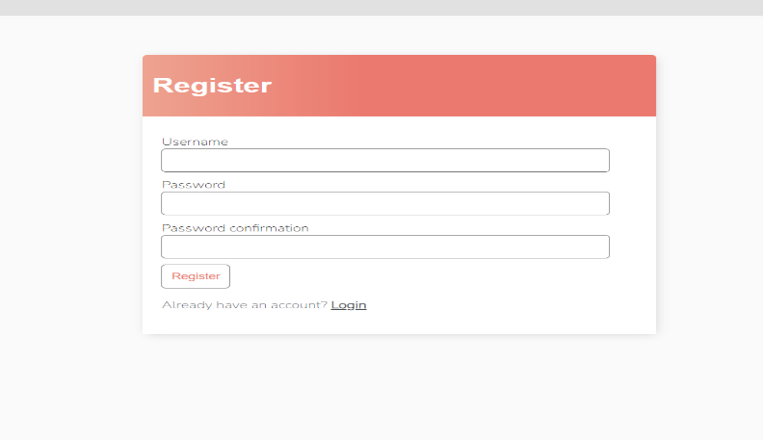
2 | User Login | The user who has log in credentials will log in into the application by entering user id and password. After entering he will click on log in button. | Step 1 : User clicks on User id text field Step 2 : User clicks on Password text field Step 3 : User clicks on Log in button | Log in successful and user will be able to see the previous data present in his application. | The user will be redirected to the home page | Pass | 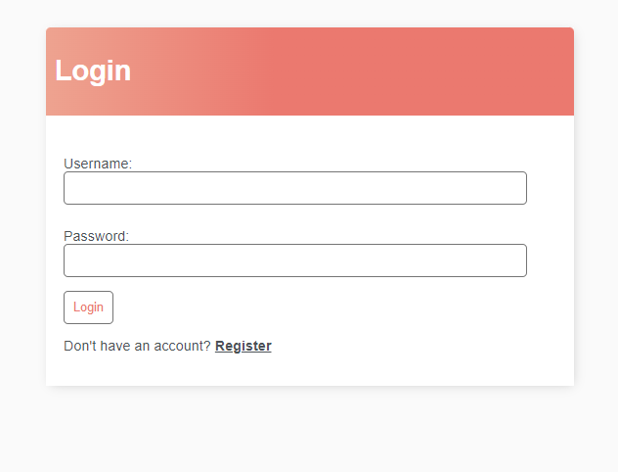
3 | Home page | After successful registration the user will be redirected to the home page. He can add tasks in the home page and can log out from the application. | Step 1 : User clicks on create task. Step 2 : User enters all the details of a task Step 3 : User clicks on submit button | Home page of the application must be visible so that the user can add the tasks | The user will see the home page of our application | Pass | 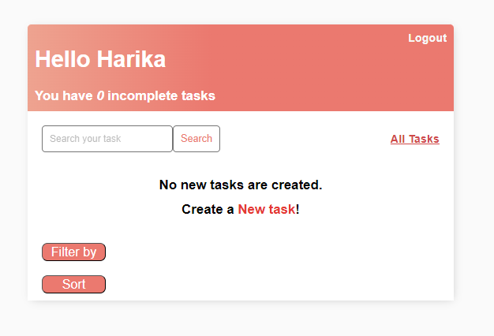
4 | Create Tasks | The user will click on Add task and then he will enter title of task, description, priority , category of the task, due date, whether the task is completed or not and then click on submit button | Step 1 : User clicks on create task. Step 2 : User enters all the details of a task like title, description,due-date, priority of a task. Step 3 : User clicks on submit button | User should get a page to create a task which displays details of task | The page which shows the details of task is shown to user | Pass | 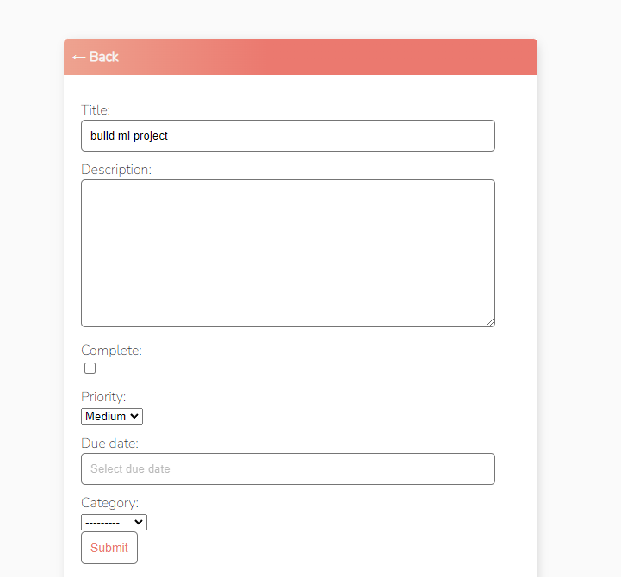
5 | Edit Task | The user will click on the task which he wants to edit. After clicking on edit then all the details which are related to task will be shown and he can edit any field which user wants to edit and then submit the task. The changes are saved in app. | Step 1 : User clicks on edit task. Step 2 : All the details of the task will be displayed and user will change the fields which needs to be changed. Step 3 : User clicks on submit button | User should be able to see the information about the task he want to edit and changes must be saved | The user is able to edit the task successfully and the changes are visible in application. | Pass | 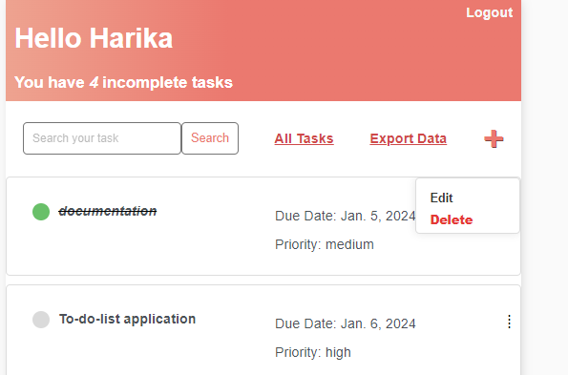
6 | Delete task | When the user clicks on delete button the application gives us a prompt and asks the user are you sure to delete the task or do you want to cancel it. | Step 1 : User clicks on delete task. Step 2 : A prompt appears to the user which says are you sure you want to delete the task Step 3 : User clicks on delete button | The user should be able to delete the task and the task should not be there in our application | The task will be deleted from the application successfully. | Pass | 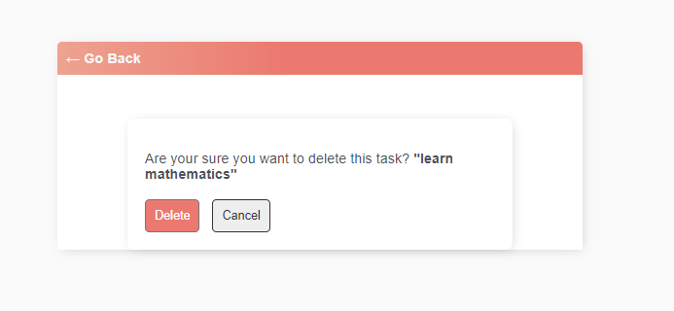
7 | Filter tasks by category | The user clicks on filter button and gets different filtering options.If the user clicks on category then the user gets work,personal,others as options. If the user selects any category then he can see the tasks which are present in that category. | Step 1 : User clicks on Filter button Step 2 : User selects category as the filtering option and selects any one of the category Step 3 : User clicks on Apply | The user should only see the tasks which belongs to that category the user has selected | The user will be able to see the tasks which belong to that specific category. | Pass | 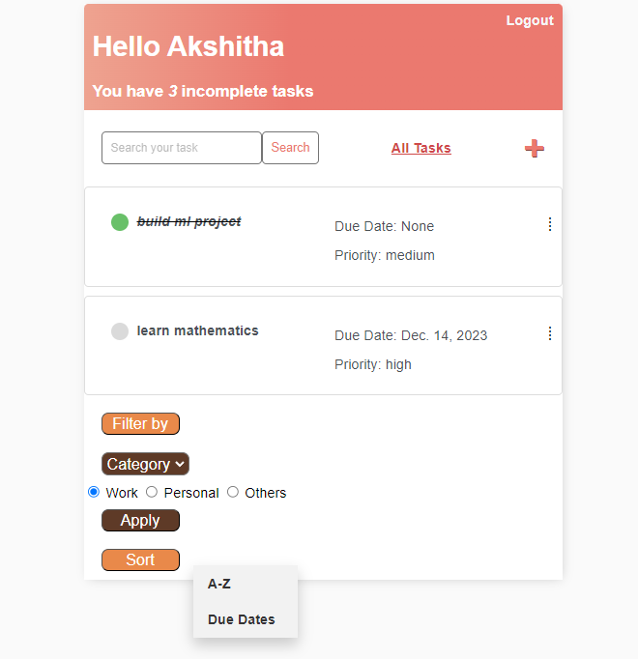
8 | Filter tasks by priority | The user clicks on filter button and gets different filtering options.If the user clicks on priority then he gets High, Medium, low as options and if the user selects any one of the options,all the tasks which belong to specified priority is displayed. | Step 1 : User clicks on Filter button Step 2 : User selects priority as the filtering option and selects any one of the priority option. Step 3 : User clicks on Apply | The user should only see the tasks which belongs to that priority which was selected. | The user will see the tasks which belong to specific priority. | Pass | 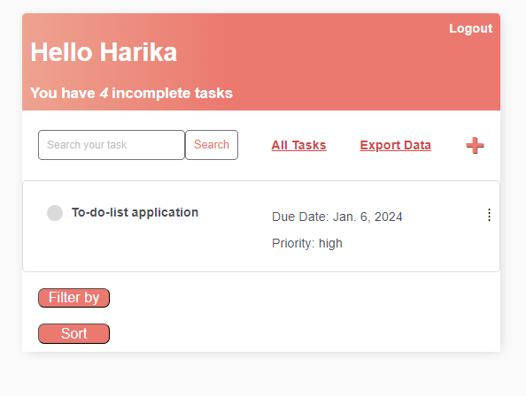
9 | Filter by 'All' | If the user clicks on filter and selects All then the applied filters will be removed and tasks will be displayed | Step 1 : User clicks on Filter button Step 2 : User selects 'All' Step3 : Tasks without any filters will be displayed. | The user should be able to see the tasks where all the filters applied by user should be removed. | The user will see the list of tasks without any filters. | Pass | 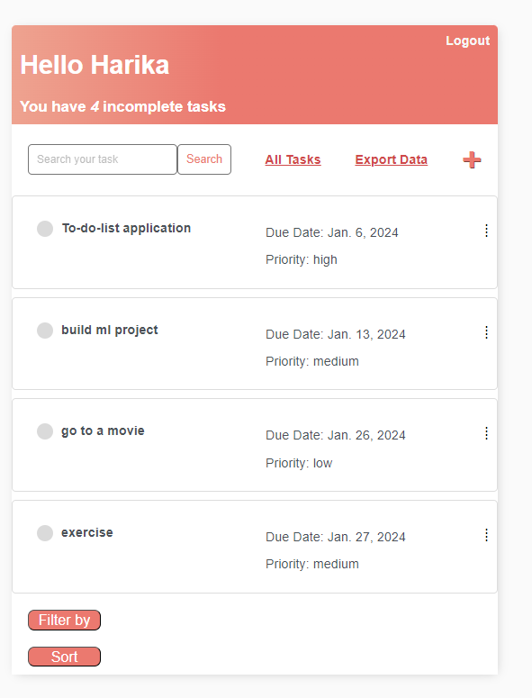
10 | Sort Tasks alphabetically | The user clicks on sort button and gets two different sorting techniques. Sorting tasks alphabetically will sort the tasks in ascending order based on the title of the task | Step 1 : User clicks on Sort button Step 2 : He selects the sorting technique 'A-Z' Step 3 : User clicks on sort button | The list of tasks should be displayed in ascending order based on the title of the tasks. | The user will see the list of the tasks which are sorted alphabetically. | Pass | 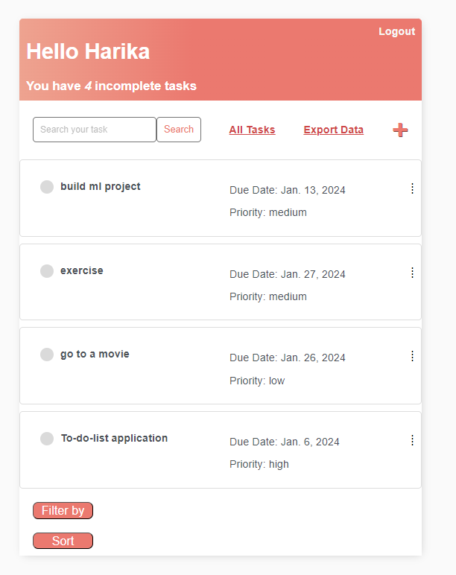
11 | Sort Tasks by Due-date | The user clicks on sort button and gets two different sorting techniques. Sorting tasks based on due date will display the tasks based on due dates in ascending order. | Step 1 : User clicks on Sort button Step 2 : He selects the sorting technique 'due date' Step 3 : User clicks on sort button | The tasks whose due date will be approaching is displayed first and those tasks which approaches last will display at the last. | The tasks will be displayed in ascending order of their due dates. | Pass
12 | Export data | The user clicks on export data and then the data which is present in the application will be downloaded in the text format in our local computer. | Step 1 : User clicks on Export data Step 2 : A text file will be downloaded and can be opened in the local system | The data should be downloaded in the text format which contains user details and task details created by the user | The data present in the application is exported to the file in the text format. | Pass | 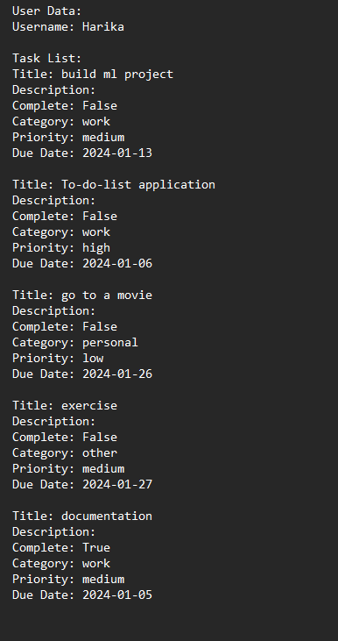
13 | Log out | The user clicks on log out functionality, he will be logged out from the application and the login page appears to the user. | Step 1 : User clicks on Log out button | The user should get logged out from the application and should go to login page | The user logs out from the application and redirects to the login page | Pass

